MAA Weight and Balance
Cessna W&B Moment Envelope
 | MOMENT NORM ENV |  | MOMENT UTILITY ENV |  | Takeoff W&B |  | Landing W&B
52.5 | 1500 |  |  | 87.5 | 2186.1 | 83.6 | 2101.1
67.8 | 1950
94.5 | 2400 | 71.0 | 2000
113.5 | 2400 | 81.5 | 2000
70.0 | 1500 | 60.5 | 1500
Cessna W&B Center of Gravity Envelope
DISCLAIMER - THE PILOT IS RESPONSIBLE FOR VERIFYING WEIGHT AND BALANCE.
INPUT VALUES INTO CELLS SHADED BLUE |  |  |  |  |  | Row No. | Weight Data Chart
SELECT --> MAA Aircraft | N341FC |  |  |  |  | 1 | Description | N446CD | N6960J | N341FC | N739UF
 |  |  |  |  |  | 2 | BEW* | 2146.1 | 2097.07 | 1518 | 1456.5
 |  |  |  |  |  | 3 | Moment | 302478.3 | 174401.14 | 59420.60 | 56831.55
Item | Enter Actual Amount | Weight (lbs) | Arm (in) | Moment (lbs-in) | MAX GROSS | 4 | CG | 140.94 | 83.16 | 39.14 | 39.02
Empty Weight (lbs) | BEW* From W&B Sheet in Aircraft | 1518 | 39.14 | 59421 | 2400 | 5 | MGW | 3000 | 3400 | 2400 | 2400
MAA Max Oil for N341FC = 6 Qt | 6 | -1.9 | -14.00 | 26 |  | 6 | BEW LOC (Same as CG) | 140.94 | 83.16 | 39.14 | 39.02
Max Useable Fuel for N341FC = 40 Gal | 40 | 240.0 | 46 | 11040 | MAX LOAD | 7 | OIL LOC | 78.4 | 16.6 | -14 | -14
Pilot/CoPilot (lbs) | 410 | <-Enter | 37.00 | 15170 | 643.9 | 8 | FUEL LOC | 153.8 | 95 | 46 | 46
Rear Passengers (lbs) |  | <-Enter | 73.00 |  |  | 9 | PI/CO_PI LOC | 143.5 | 85.5 | 37 | 37
Cirrus W&B Center of Gravity Envelope
 | Envelope |  | Max Landing Wgt |  | Takeoff W&B |  | Landing W&B
138.7 | 2110 |  |  | 40.0 | 2186.1 | 39.8 | 2101.1
141.0 | 2694
144.1 | 3000
148.0 | 3000
148.1 | 2900
147.4 | 2570
144.6 | 2110
138.7 | 2110
 |  | 148.1 | 2900
 |  | 143.1 | 2900
Piper 6 W&B Center of Gravity Envelope
Piper Last Row Seats (lbs) |  | <-Enter | 0.00 |  |  | 10 | REAR SEAT LOC | 180 | 118.1 | 73 | 73
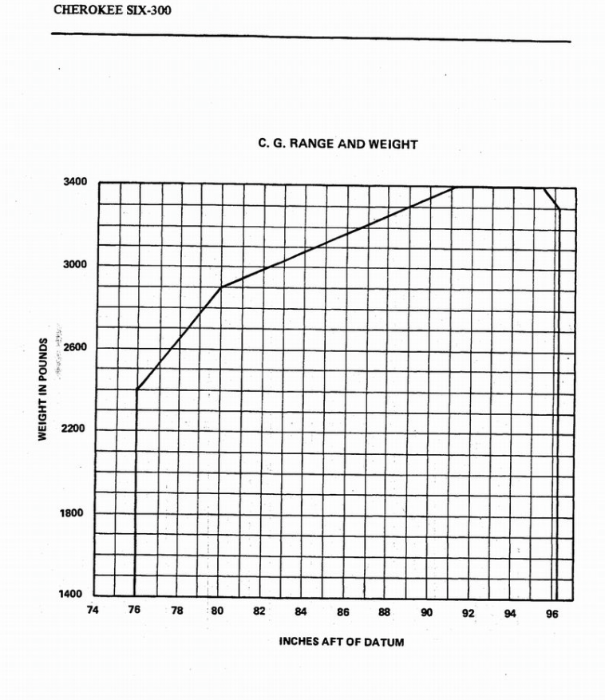
Baggage#1 (FWD) 70 lbs Max | 20 | <-Enter | 95.00 | 1900 | ESTIM. CABIN | 11 | Piper Last Row Seats | 0 | 155.7 | 0 | 0
Baggage#2 (AFT) 50 lbs Max | 0 | <-Enter | 123.00 |  | 430.0 | 12 | BAG#1 LOC | 208 | 42 | 95 | 95
 |  |  |  |  |  | 13 | BAG#2 LOC |  | 178.7 | 123 | 123
Take off Weight (lbs) = | 2186 |  | 40.04 | 87531 |  | 14 | Baggage #1 Max(lbs) | 130 | 100 | 70 | 70
Remaining Capacity (lbs) = | 214 |  |  |  |  | 15 | Baggage #2 Max (lbs) | 0 | 100 | 50 | 50
Excess Weight (lbs) = | 0 |  |  |  |  | 16 | UNSBL FUEL (gal) | 4.5 | 0.4 | 3 | 3
 |  |  |  |  |  | 17 | Max Oil (qt) | 8 | 12 | 7 | 7
Flight Time (Hrs) = | 1.5 |  |  |  |  | 18 | MAA Oil (qt) | 7 | 9 | 6 | 6
Landing Weight (lbs) = | 2101 |  | 39.81 | 83647 |  | 19 | MIN WGT (lbs) | 2200 | 2400 | 1600 | 1600
INCHES AFT OF DATUM
 |  |  |  |  |  | 20 | MAX Va | 131 | 131 | 97 | 97
 |  |  |  |  |  | 21 | MIN Va | 111 | 114 | 80 | 80
Maneuvering Speed (Va) at Ramp Weight |  |  |  |  |  | 22 | Max Useable Fuel (gal) | 56 | 83.6 | 40 | 40
Weight (lbs) | Maneuvering Speed (mph) | Comments |  |  |  | 23 | Fuel Burned lbs (Start + Flight) | 97.9 | 143.5 | 85.0 | 85.0
2400 | 97 | Gross Weight |  |  |  | 24
2186 | 92 | Take off Weight Va |  |  |  | 25
1600 | 80 | From POH |  |  |  | 26
 |  |  |  |  |  | 27
* BEW - Basic Empty Weight includes full Oil and Unusable Fuel.
 |  |  |  |  |  |  | * BEW | Basic Empty Weight; includes unusable fuel and full oil
 |  |  |  |  |  |  |  | Weight and Balance Graph Data
 |  |  |  |  |  |  |  | Cessna |  | Cirrus |  | Piper
 |  |  |  |  |  |  |  | X | Y | X | Y | X | Y
 |  |  |  |  |  |  | Cessna and Cirrus | 52.5 | 1500 | 138.7 | 2110
 |  |  |  |  |  |  | Weight & Balance | 67.8 | 1950 | 141.0 | 2694
 |  |  |  |  |  |  | Moment Envelope | 94.5 | 2400 | 144.1 | 3000
 |  |  |  |  |  |  |  | 113.5 | 2400 | 148.0 | 3000
 |  |  |  |  |  |  |  | 70.0 | 1500 | 148.1 | 2900
 |  |  |  |  |  |  |  |  |  | 147.4 | 2570
 |  |  |  |  |  |  |  |  |  | 144.6 | 2110
 |  |  |  |  |  |  |  |  |  | 138.7 | 2110
 |  |  |  |  |  |  | Cessna and Piper | 35.0 | 1500 |  |  | 76 | 1400
 |  |  |  |  |  |  | Weight & Balance | 35.0 | 1950 |  |  | 76 | 2400
 |  |  |  |  |  |  | Center of Gravity Limits | 39.5 | 2400 |  |  | 80 | 2900
 |  |  |  |  |  |  |  | 47.3 | 2400 |  |  | 91 | 3400
 |  |  |  |  |  |  |  | 47.3 | 1500 |  |  | 96 | 3400
 |  |  |  |  |  |  |  |  |  |  |  | 96 | 3300
 |  |  |  |  |  |  |  |  |  |  |  | 96 | 1400
 |  |  |  |  |  |  | Cessna Utility Moment
 |  |  |  |  |  |  | Envelope
 |  |  |  |  |  |  |  | 71.0 | 2000
 |  |  |  |  |  |  |  | 81.5 | 2000
 |  |  |  |  |  |  |  | 60.5 | 1500
 |  |  |  |  |  |  | Cessna Utility Center of Gravity | 35.6 | 2000
 |  |  |  |  |  |  | Envelope | 40.5 | 2000
 |  |  |  |  |  |  |  | 40.5 | 1500

 |  |  |  |  |  |  | Cirrus Max Landing Limit |  |  | 148.1 | 2900
 |  |  |  |  |  |  |  |  |  | 143.1 | 2900
 |  |  |  |  |  |  | Takeoff Weight & Arm = | 87.5 | 2186.1 | 40.0 | 2186.1 | 40.0 | 2186.1
 |  |  |  |  |  |  | Landing Weight & Arm = | 83.6 | 2101.1 | 39.8 | 2101.1 | 39.8 | 2101.1

 |  |  |  |  |  | initial Flight Chart |  | Cirrus | Piper | Cessna
 |  |  |  |  |  | Start/Taxi/Runup (gal) |  | 0.5 | 0.5 | 0.5
 |  |  |  |  |  | Climb (Alt+5K) |  | 1.6 | 1.7 | 1.7 | sr20-Alt5000,800fpm,15gph Piper-alt5000,1000fpm,20=gph
 |  |  |  |  |  | Flight (gal/hr) |  | 14.3 | 21.8 | 12.0 | sr20-9.5gph Piper-14.5gph
 |  |  |  |  |  | Total Gal = |  | 16.3 | 23.9 | 14.2
 |  |  |  |  |  | Weight (lbs) = |  | 97.9 | 143.5 | 85.0

